ZDT1
default generation | 200 | true HV | 0.66616012487

Parameter Settings:
Algorithm: NSGAII (algorithm was free to run 500 generations)
significance value (α) =0.05
nPreGen = 30
nGenUnchanged = 10 (last 10 generations, we donot have significance difference; last 10 generations, p values are greater than 0.05)
run # | terminate generation | Evalution saves | HV_d - HV_t | HV percentage | Eps_d-Eps_t
0 | 187 | 1300 | 0.0016081406897 | 0.98366836608 | -4.03E-03
1 | 299 | -9900 | -0.0031665588963 | 0.99206811629 | 0.0031351622382
2 | 198 | 200 | 4.66E-06 | 0.98802086335 | 0
3 | 272 | -7200 | -0.0040099491829 | 0.99098020893 | 0.0035947162432
4 | 262 | -6200 | -0.0033441061808 | 0.99130369856 | 0.0028522046475
terminal generation: generetaion number(t^{th}) in which algorithm terminates
Evalutaion saves: (default generation - termination generation)*population size
HV_d - HV_t: Hypervolume (defalut generation) - Hypervolume (ternimation generation)
HV percentage: Hypervolume (terminal generation)/true Hypervolume
Eps_d - Eps_t: Epsilon (defalut generation) - epsilon (ternimation generation)
5 | 351 | -15100 | -0.0038278605456 | 0.99297231939 | 0.0036982122083
6 | 161 | 3900 | 0.0045017302078 | 0.98123283128 | -0.0027118335423
7 | 176 | 2400 | 0.0025505636519 | 0.98333739007 | -1.23E-03
8 | 194 | 600 | 3.74E-04 | 0.98799674686 | -6.44E-04
9 | 310 | -11000 | -0.0031671595 | 0.99238881468 | 6.25E-04
10 | 309 | -10900 | -0.0035445891427 | 0.99249046979 | 0.0012462163371
11 | 297 | -9700 | -0.0033105068824 | 0.99176246229 | 0.0032980982087
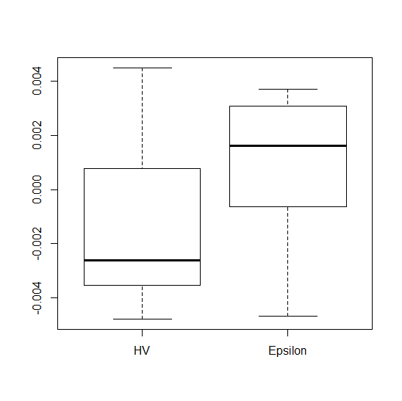
12 | 237 | -3700 | -0.0017754674122 | 0.98890438295 | 0.0015353722018
13 | 185 | 1500 | 9.43E-04 | 0.98645413286 | -0.0015257764781
14 | 188 | 1200 | 0.0013039394727 | 0.98406834189 | -6.37E-04
15 | 240 | -4000 | -2.03E-03 | 0.98985493948 | 0.0028183815968
16 | 264 | -6400 | -0.0022938187334 | 0.99147126606 | 1.68E-03
17 | 226 | -2600 | -0.0012086064018 | 0.9898103171 | 0.0021832283043
18 | 292 | -9200 | -0.0035371720568 | 0.9916532173 | -8.97E-04
19 | 251 | -5100 | -0.0030434256234 | 0.99017417305 | 3.08E-03
20 | 384 | -18400 | -0.0029305775418 | 0.99298666245 | 0.0030787657959
21 | 170 | 3000 | 0.0035324539794 | 0.98223557899 | -0.0046952727691
22 | 290 | -9000 | -0.0038198372283 | 0.99161772761 | 0.0035105583022
23 | 320 | -12000 | -0.0038401717015 | 0.99251199708 | 0.0019484333158
24 | 304 | -10400 | -0.0042082368273 | 0.99195342478 | 0.002549594877
25 | 454 | -25400 | -0.0047917371922 | 0.99313747385 | 0.0031356004369
26 | 188 | 1200 | 7.89E-04 | 0.98657251136 | 5.05E-04
27 | 309 | -10900 | -0.0043742107403 | 0.99227775636 | 0.002183974805
28 | 163 | 3700 | 0.0027314405314 | 0.98468075499 | -3.66E-04
29 | 197 | 300 | 3.71E-04 | 0.98758988906 | -8.77E-04
 | total save evaluations | -167800 | average HV percentage | 0.98920589449

ZDT2
default generation | 200 | true HV | 0.33283355942

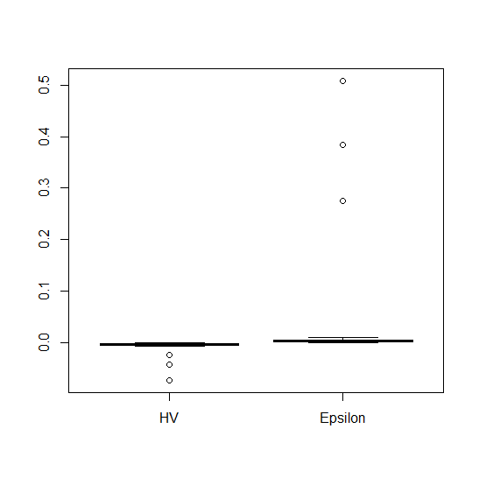
run # | terminate generation | Evalution saves | HV_d - HV_t | HV percentage | Eps_d-Eps_t
0 | 500 | -30000 | -7.10E-03 | 0.98687155332 | 3.85E-03
1 | 377 | -17700 | -0.0054879915949 | 0.98579873249 | 0.0089255436328
2 | 224 | -2400 | -0.0018891290528 | 0.97735059353 | 0.0012864690328
3 | 362 | -16200 | -0.0046902020487 | 0.98597451085 | 0.003578959661
4 | 241 | -4100 | -0.0031082596399 | 0.97854368409 | 0.0028690627424
5 | 238 | -3800 | -0.0028284535016 | 0.97952085395 | 0.0018742756195
6 | 348 | -14800 | -0.0033681664512 | 0.98598186337 | 0.0075921083604
7 | 356 | -15600 | -0.0041848665397 | 0.98546403612 | 0.0028288248501
8 | 478 | -27800 | -0.0051077269464 | 0.98638422356 | 0.002003906756
9 | 222 | -2200 | -0.0018933016597 | 0.97556672043 | 0.0018023002963
10 | 500 | -30000 | -0.073447463576 | 0.98666317702 | 0.50826848388
11 | 361 | -16100 | -0.0056860264373 | 0.98553140776 | 0.0045363711615
12 | 208 | -800 | -7.92E-04 | 0.96873515537 | 0.0010506487093
13 | 246 | -4600 | -0.0023925748875 | 0.9808135299 | 1.04E-03
14 | 335 | -13500 | -0.023779427084 | 0.98507853086 | 0.27444808152
15 | 500 | -30000 | -0.042948581326 | 0.98669203928 | 0.38361754664
16 | 215 | -1500 | -0.0010620422042 | 0.97663943111 | -1.08E-04
17 | 452 | -25200 | -0.0040581164969 | 0.9863237193 | 3.05E-03
18 | 495 | -29500 | -5.67E-03 | 0.98686091819 | 4.19E-03
19 | 311 | -11100 | -0.0045785567142 | 0.98454058785 | 7.12E-04
20 | 241 | -4100 | -3.14E-03 | 0.97953468928 | 6.65E-03
21 | 239 | -3900 | -0.002396430839 | 0.97640748134 | 5.20E-04
22 | 242 | -4200 | -0.0025513668168 | 0.97909581751 | 0.0018161567806
23 | 215 | -1500 | -0.0011126125379 | 0.97372841251 | -5.61E-04
24 | 202 | -200 | -3.00E-04 | 0.96836763273 | 4.79E-04
25 | 500 | -30000 | -0.0048248103643 | 0.98679324775 | 2.83E-03
26 | 260 | -6000 | -0.0033132330135 | 0.98111511542 | 3.80E-03
27 | 214 | -1400 | -1.44E-03 | 0.97149092471 | 8.17E-04
28 | 231 | -3100 | -2.27E-03 | 0.97704650283 | 0.0032910026702
29 | 500 | -30000 | -0.0062606415772 | 0.98681963302 | 0.0056122652139
 | total save evaluations | -381300 | average HV percentage | 0.98119115751

 |  |  | -0.073447463576 |  | -5.61E-04 | -5.61E-04
 |  |  | -0.0053929254328 |  | 0.0010489929762 | 0.0010489929762
 |  |  | -0.0033406997323 |  | 2.85E-03 | 0.0028489437963
 |  |  | -0.0022995423404 |  | 0.0048053446746 | 0.0048053446746
 |  |  | -0.00029951742651 |  | 5.08E-01 | 5.08E-01

 |  |  | 0 |  | 0
 |  |  | -0.073447463576 |  | 5.61E-04
 |  |  | 0.068054538143 |  | -1.61E-03
 |  |  | 0.0020522257004 |  | -1.80E-03
 |  |  | 0.0010411573919 |  | -1.96E-03
 |  |  | 0.0020000249139 |  | -5.03E-01

ZDT3
default generation | 200 | true HV | 0.51719187155

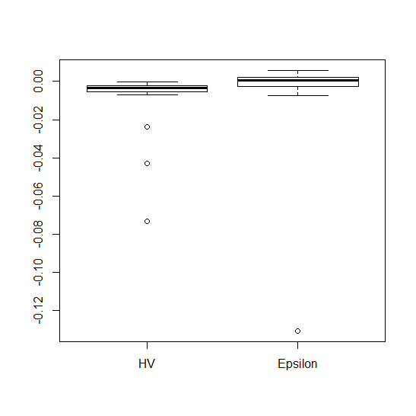
run # | terminate generation | Evalution saves | HV_d - HV_t | HV percentage | Eps_d-Eps_t
0 | 183 | 1700 | 0.0011006228276 | 0.98498031908 | -0.0022807006902
1 | 246 | -4600 | -1.87E-03 | 0.9941076636 | 0.0018337801287
2 | 217 | -1700 | -1.33E-03 | 0.99145550078 | 0.0017084341075
3 | 201 | -100 | -2.20E-06 | 0.9909918365 | 0
4 | 186 | 1400 | 6.15E-04 | 0.9872995901 | -1.95E-04
5 | 188 | 1200 | 0.0010190149574 | 0.98937507436 | 0.0022421997583
6 | 267 | -6700 | -0.0025244220975 | 0.99386890014 | 0.0027931703549
7 | 175 | 2500 | 0.0021026853766 | 0.98639010635 | -3.98E-04
8 | 407 | -20700 | -3.41E-03 | 0.99680188209 | 3.46E-03
9 | 168 | 3200 | 0.0030972900505 | 0.98249128723 | 9.07E-04
10 | 137 | 6300 | 0.0062424999286 | 0.97726358451 | -0.0075750863865
11 | 264 | -6400 | -0.0024320736288 | 0.99480255486 | 0.0043150980055
12 | 196 | 400 | 4.72E-04 | 0.98558242516 | 0.0011245762676
13 | 170 | 3000 | 0.0023982117002 | 0.98718614133 | -0.0037266454009
14 | 305 | -10500 | -0.0028868268287 | 0.99553218233 | 0.0020184466823
15 | 192 | 800 | 3.43E-04 | 0.9898154654 | -2.90E-03
16 | 176 | 2400 | 1.38E-03 | 0.98838050046 | -0.0058757895288
17 | 500 | -30000 | -0.0040576147848 | 0.99690654146 | 5.80E-03
18 | 198 | 200 | 1.75E-04 | 0.98876113016 | -1.21E-04
19 | 500 | -30000 | -0.0034322651013 | 0.99677839064 | 0.0010280245421
20 | 229 | -2900 | -0.0013586660044 | 0.99422898898 | 0.00232652242
21 | 175 | 2500 | 0.0018912660886 | 0.9864002556 | -0.0053253045065
22 | 81 | 11900 | 0.077068485577 | 0.84076958932 | -0.13072853269
23 | 333 | -13300 | -0.0024912901447 | 0.99628767809 | 0.0011887513924
24 | 160 | 4000 | 0.004637490908 | 0.98177786701 | -0.0048468769373
25 | 210 | -1000 | -3.36E-04 | 0.99071389524 | 6.16E-04
26 | 187 | 1300 | 1.34E-03 | 0.98739408625 | -1.44E-03
27 | 245 | -4500 | -0.0019885325853 | 0.99332450696 | -0.0027000402398
28 | 237 | -3700 | -0.0021781471561 | 0.99336681266 | 0.0024655135084
29 | 379 | -17900 | -0.0048503293868 | 0.99628966584 | 3.99E-03
 | total save evaluations | -111200 | average HV percentage | 0.98531081408

 |  |  | -0.0048503293868 |  | -0.13072853269
 |  |  | -0.0023685920106 |  | -0.0025952053524
 |  |  | 8.6634067526E-05 |  | 0.00076171336567
 |  |  | 0.0013713860752 |  | 0.0021862614893
 |  |  | 0.077068485577 |  | 0.0058036199421

 |  |  | 0 |  | 0
 |  |  | -0.0048503293868 |  | -0.13072853269
 |  |  | 0.0024817373761 |  | 0.12813332734
 |  |  | 0.0024552260782 |  | 0.0033569187181
 |  |  | 0.0012847520077 |  | 0.0014245481236
 |  |  | 0.075697099502 |  | 0.0036173584528

ZDT6
default generation | 200 | true HV | 0.40590724234
Average Hausdroff Distance for run # 1
 | 0.17156754132
 | 0.20204710453
 | 0.08956558868
 | 0.1081294178
 | 0.09682779166
 | 0.10086447661
 | 0.51020747528
 | 0.42786826314
 | 0.32428357014
 | 0.40038366961
 | 0.13537824486
 | 0.18591112635
 | 0.1902658613
 | 0.40809719888
 | 0.0078597262531
 | 0.47878180614
 | 0.29138796015
 | 0.098562690682
 | 0.33402412638
 | 0.30906755179
 | 0.29513435767
 | 0.086292389553
 | 0.1466247131
 | 0.087274701017
 | 0.015975826642
 | 0.078923843198
 | 0.055791479143
 | 0.22725246247
 | 0.033660729008
 | 0.083521192726
 | 0.11837059623
 | 0.00689943127
 | 0.0084518622464
 | 0.11247295128
 | 0.21077111937
 | 0.082969604918
 | 0.06797210016
 | 0.19065482053
 | 0.19762441704
 | 0.0061943751927
 | 0.056752028964
 | 0.12027486347
 | 0.084394088092
 | 0.068737358034
 | 0.13817620829
 | 0.12257404238
 | 0.054653496692
 | 0.096626499378
 | 0.088679390565
 | 0.06214116638
...
run # | terminate generation | Evalution saves | HV_d - HV_t | HV percentage | Eps_d-Eps_t
0 | 500 | -30000 | -0.052562910934 | 0.98621106674 | 0.050445725143
1 | 485 | -28500 | -0.052154470503 | 0.98552362524 | 0.048536956978
2 | 379 | -17900 | -0.055870275938 | 0.97835564476 | 0.066177501915
3 | 330 | -13000 | -0.056467233628 | 0.96654353184 | 0.066082616068
4 | 95 | 10500 | 0.34419771759 | 0.001279260429 | -0.75205895691
5 | 63 | 13700 | 0.35214984981 | 0 | -1.8171025606
6 | 500 | -30000 | -0.043185204476 | 0.98719976284 | 0.049336616955
7 | 83 | 11700 | 0.35056229547 | 0 | -1.0579869865
8 | 413 | -21300 | -0.053915309736 | 0.9812702429 | 0.062112186008
9 | 95 | 10500 | 0.34333287596 | 8.11E-04 | -0.79446630272
10 | 408 | -20800 | -0.046002002918 | 0.97808268218 | 0.051458381567
11 | 394 | -19400 | -0.040161443742 | 0.97945612154 | 0.042373727246
12 | 453 | -25300 | -0.045006256772 | 0.98408757295 | 0.049940598405
13 | 329 | -12900 | -0.045265185474 | 0.9707188903 | 0.043822562974
14 | 441 | -24100 | -0.048466838736 | 0.98362343323 | 0.058738885451
15 | 420 | -22000 | -0.036392798984 | 0.98239973062 | 0.035848818266
16 | 85 | 11500 | 0.34568891545 | 5.76E-04 | -0.74558394147
17 | 500 | -30000 | -0.062620656458 | 0.98582699348 | 0.057637636294
I expect that this one should be terminated around 180th generation but this is terminated at 60th generaton. I am struggling to detect this early cervegence. Any sugesstions?
18 | 324 | -12400 | -0.034067335602 | 0.97025510617 | 0.038578777962
19 | 500 | -30000 | -0.046753188922 | 0.9871146414 | 0.050764843379
20 | 500 | -30000 | -0.047551986701 | 0.98633969803 | 0.050366316356
21 | 339 | -13900 | -0.031374658351 | 0.9738425837 | 0.041224855189
22 | 500 | -30000 | -0.052540770967 | 0.98703722876 | 0.046482406097
23 | 341 | -14100 | -0.04064330769 | 0.97205738712 | 0.043003504241
24 | 328 | -12800 | -0.036736966102 | 0.96930044338 | 0.037041761378
25 | 500 | -30000 | -0.057982371002 | 0.9861871369 | 0.068682376238
26 | 442 | -24200 | -0.064187282186 | 0.98239454767 | 7.35E-02
27 | 100 | 10000 | 0.29915674635 | 0.14294338525 | -0.50295094018
28 | 352 | -15200 | -0.038003018247 | 0.97438656293 | 0.039898329049
29 | 500 | -30000 | -0.049165828066 | 0.98653018304 | 0.056495673803
 | total save evaluations | -469900 | average HV percentage | 0.78901180554

